Sheet 1
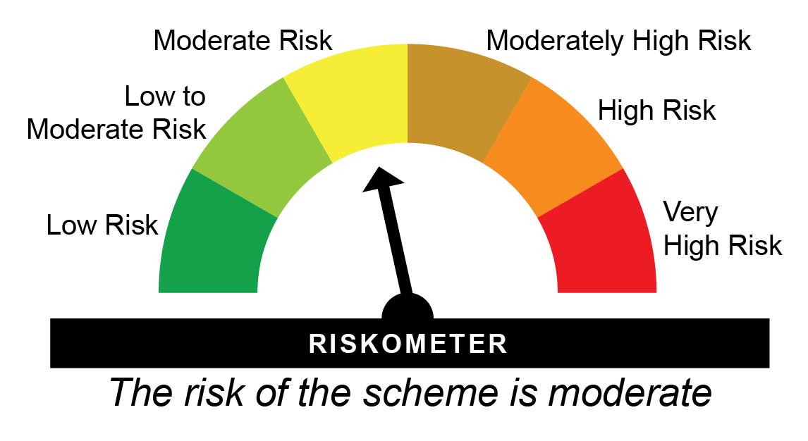
HDFCDPEFOF - HDFC Income Plus Arbitrage Active FOF - Regular Plan - Growth |  |  |  |  |  | NAV as at May 30, 2025 |  | 38.8826 | Scheme Riskometer
Date | Period | NAV per Unit (₹) | Scheme Returns (%)^ | Benchmark Returns(%)# | Additional Benchmark Returns ##(%) | Value of Investment of ₹ 10000@
 |  |  |  |  |  | Scheme (₹) | Benchmark #(₹) | Additional Benchmark ##(₹)

May 31, 24 | Last 1 Year | 36.900 | 5.37 | 9.14 | 11.71 | 10,536 | 10,912 | 11,168
May 31, 22 | Last 3 Years | 25.788 | 14.67 | 7.86 | 9.43 | 15,078 | 12,549 | 13,106
May 29, 20 | Last 5 Years | 16.768 | 18.3 | 6.12 | 5.5 | 23,189 | 13,462 | 13,076
May 29, 15 | Last 10 Years | 13.826 | 10.88 | 6.8 | 6.89 | 28,123 | 19,321 | 19,484
Feb 06, 12 | Since Inception | 10.000 | 10.73 | 7.33 | 6.95 | 38,883 | 25,646 | 24,482

HDFCDPEFOF - HDFC Income Plus Arbitrage Active FOF - Direct Plan - Growth |  |  |  |  |  | NAV as at May 30, 2025 |  | 42.8486 | Benchmark Riskometer
Date | Period | NAV per Unit (₹) | Scheme Returns (%)^ | Benchmark Returns(%)# | Additional Benchmark Returns ##(%) | Value of Investment of ₹ 10000@ |  |  | 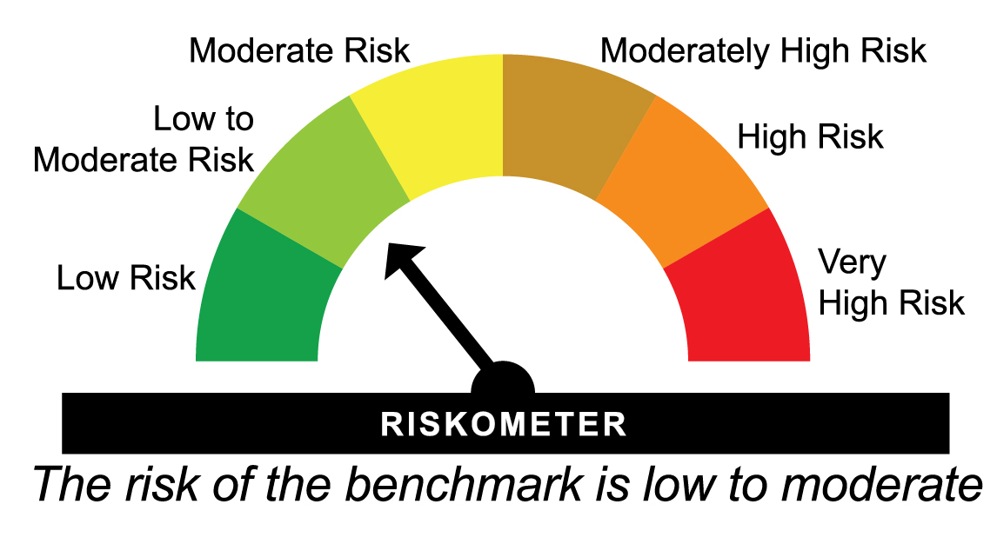
 |  |  |  |  |  | Scheme (₹) | Benchmark #(₹) | Additional Benchmark ##(₹)

May 31, 24 | Last 1 Year | 40.388 | 6.09 | 9.14 | 11.71 | 10,608 | 10,912 | 11,168
May 31, 22 | Last 3 Years | 27.795 | 15.52 | 7.86 | 9.43 | 15,416 | 12,549 | 13,106
May 29, 20 | Last 5 Years | 17.809 | 19.17 | 6.12 | 5.5 | 24,060 | 13,462 | 13,076
May 29, 15 | Last 10 Years | 14.044 | 11.79 | 6.8 | 6.89 | 30,509 | 19,321 | 19,484
Jan 01, 13 | Since Inception | 10.881 | 11.67 | 7.16 | 6.85 | 39,380 | 23,590 | 22,764
^Past performance may or may not be sustained in future and is not a guarantee of any future returns. Returns greater than 1 year period are compounded annualized (CAGR). # 35% NIFTY 50 Arbitrage Index + 60% NIFTY Composite Debt Index A-III + 5% NIFTY 1D Rate Index ## CRISIL 10 year Gilt Index
Scheme performance may not strictly be comparable with that of its Additional Benchmark in view of hybrid nature of the scheme where a portion of scheme’s investments are made in equity instruments
Different plans viz. Regular Plan and Direct Plan have a different expense structure. The expenses of the Direct Plan under the Scheme will be lower to the extent of the distribution expenses / commission charged in the Regular Plan.
The scheme is managed by Anil Bamboli since June 28, 2014.
Since Inception Date = Date of First allotment in the Scheme / Plan.
Load is not taken into consideration for computation of performance.

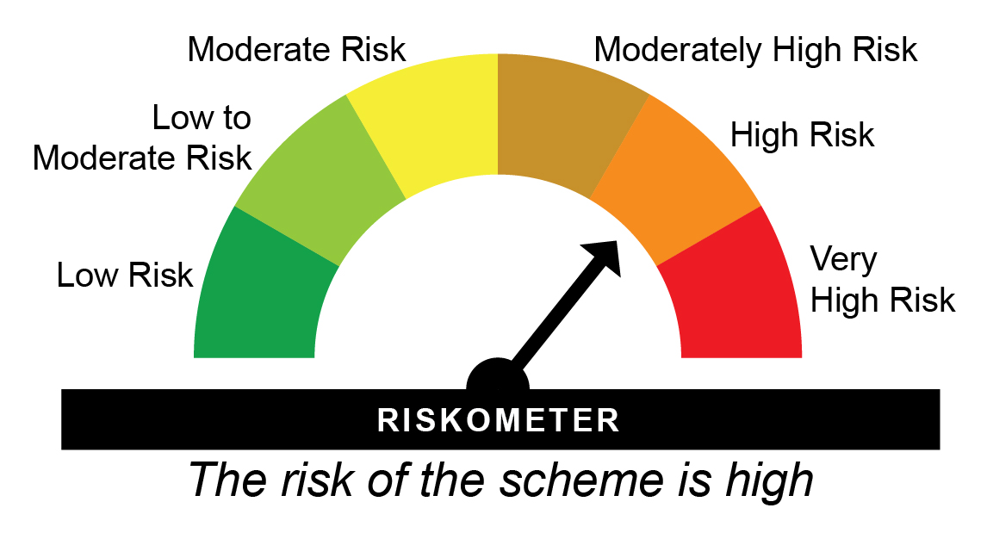
HDFCGOLD - HDFC Gold ETF Fund of Fund - Regular Plan - Growth |  |  |  |  |  | NAV as at May 30, 2025 |  | 28.7269 | Scheme Riskometer
Date | Period | NAV per Unit (₹) | Scheme Returns (%)^ | Benchmark Returns(%)# |  | Value of Investment of ₹ 10000@
 |  |  |  |  |  | Scheme (₹) | Benchmark #(₹)

May 31, 24 | Last 1 Year | 22.193 | 29.44 | 32.18 |  | 12,935 | 13,208
May 31, 22 | Last 3 Years | 16.013 | 21.51 | 22.94 |  | 17,940 | 18,583
May 29, 20 | Last 5 Years | 14.979 | 13.89 | 14.97 |  | 19,178 | 20,105
May 29, 15 | Last 10 Years | 9.228 | 12.01 | 13.4 |  | 31,129 | 35,214
Nov 01, 11 | Since Inception | 10.000 | 8.08 | 9.68 |  | 28,727 | 35,074

HDFCGOLD - HDFC Gold ETF Fund of Fund - Direct Plan - Growth |  |  |  |  |  | NAV as at May 30, 2025 |  | 30.0647 | Benchmark Riskometer
Date | Period | NAV per Unit (₹) | Scheme Returns (%)^ | Benchmark Returns(%)# |  | Value of Investment of ₹ 10000@ |  |  | 
 |  |  |  |  |  | Scheme (₹) | Benchmark #(₹)

May 31, 24 | Last 1 Year | 23.155 | 29.84 | 32.18 |  | 12,975 | 13,208
May 31, 22 | Last 3 Years | 16.598 | 21.9 | 22.94 |  | 18,114 | 18,583
May 29, 20 | Last 5 Years | 15.407 | 14.29 | 14.97 |  | 19,514 | 20,105
May 29, 15 | Last 10 Years | 9.286 | 12.45 | 13.4 |  | 32,377 | 35,214
Jan 01, 13 | Since Inception | 11.059 | 8.39 | 9.59 |  | 27,187 | 31,170
^Past performance may or may not be sustained in future and is not a guarantee of any future returns. Returns greater than 1 year are compounded annualized (CAGR). # Domestic Price of Physical Gold
Different plans viz. Regular Plan and Direct Plan have a different expense structure. The expenses of the Direct Plan under the Scheme will be lower to the extent of the distribution expenses / commission charged in the Regular Plan.
The scheme is managed by Nandita Menezes (since March 29, 2025) & Arun Agarwal (since February 15, 2023).
Since Inception Date = Date of First allotment in the Scheme / Plan.
Load is not taken into consideration for computation of performance.

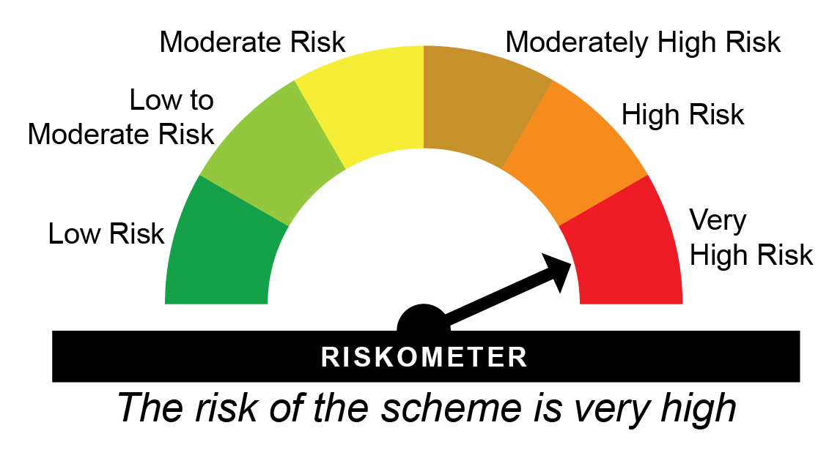
HDFCDWIFOF - HDFC Developed World Equity Passive FOF - Regular Plan - Growth |  |  |  |  |  | NAV as at May 30, 2025 |  | 14.938 | Scheme Riskometer
Date | Period | NAV per Unit (₹) | Scheme Returns (%)^ | Benchmark Returns(%)# | Additional Benchmark Returns ##(%) | Value of Investment of ₹ 10000@
 |  |  |  |  |  | Scheme (₹) | Benchmark #(₹) | Additional Benchmark ##(₹)

May 31, 24 | Last 1 Year | 12.861 | 16.15 | 16.69 | 11.08 | 11,610 | 11,664 | 11,104
May 31, 22 | Last 3 Years | 9.728 | 15.37 | 16.53 | 15.56 | 15,356 | 15,825 | 15,432
Oct 06, 21 | Since Inception | 10.000 | 11.62 | 12.81 | 10.99 | 14,938 | 15,526 | 14,628

HDFCDWIFOF - HDFC Developed World Equity Passive FOF - Direct Plan - Growth |  |  |  |  |  | NAV as at May 30, 2025 |  | 15.205 | Benchmark Riskometer
Date | Period | NAV per Unit (₹) | Scheme Returns (%)^ | Benchmark Returns(%)# | Additional Benchmark Returns ##(%) | Value of Investment of ₹ 10000@ |  |  | 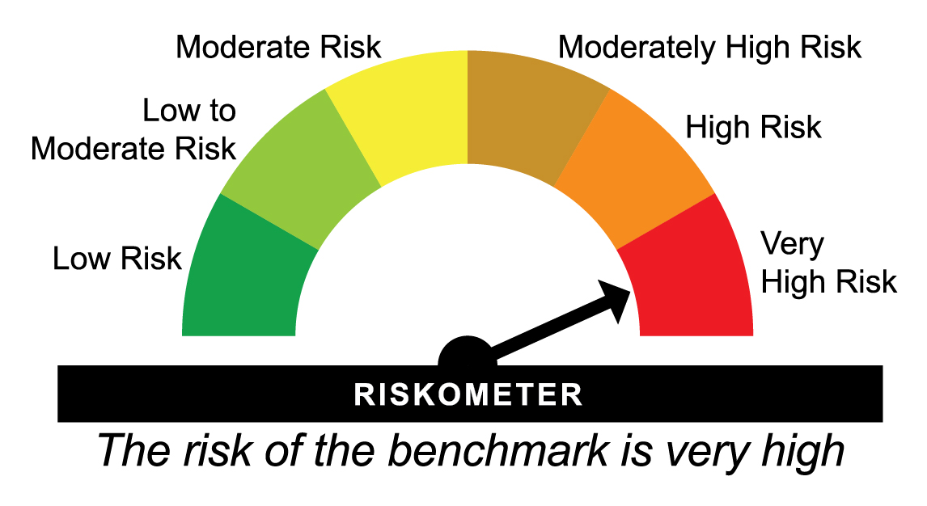
 |  |  |  |  |  | Scheme (₹) | Benchmark #(₹) | Additional Benchmark ##(₹)

May 31, 24 | Last 1 Year | 13.035 | 16.65 | 16.69 | 11.08 | 11,660 | 11,664 | 11,104
May 31, 22 | Last 3 Years | 9.772 | 15.88 | 16.53 | 15.56 | 15,560 | 15,825 | 15,432
Oct 06, 21 | Since Inception | 10.000 | 12.17 | 12.81 | 10.99 | 15,205 | 15,526 | 14,628
^Past performance may or may not be sustained in future and is not a guarantee of any future returns. Returns greater than 1 year are compounded annualized (CAGR). # MSCI World Index (Net Total Returns Index) ## Nifty 50 TRI
Different plans viz. Regular Plan and Direct Plan have a different expense structure. The expenses of the Direct Plan under the Scheme will be lower to the extent of the distribution expenses / commission charged in the Regular Plan.
The scheme is managed by Nandita Menezes (since March 29, 2025) & Arun Agarwal (since February 01, 2022).
Since Inception Date = Date of First allotment in the Scheme / Plan.
Load is not taken into consideration for computation of performance.

HSILVERFOF - HDFC Silver ETF Fund of Fund - Regular Plan - Growth |  |  |  |  |  | NAV as at May 30, 2025 |  | 16.3107 | Scheme Riskometer
Date | Period | NAV per Unit (₹) | Scheme Returns (%)^ | Benchmark Returns(%)# |  | Value of Investment of ₹ 10000@
 |  |  |  |  |  | Scheme (₹) | Benchmark #(₹)

May 31, 24 | Last 1 Year | 15.668 | 4.1 | 4.32 |  | 10,409 | 10,431
Oct 28, 22 | Since Inception | 10.000 | 20.8 | 22.69 |  | 16,311 | 16,981

HSILVERFOF - HDFC Silver ETF Fund of Fund - Direct Plan - Growth |  |  |  |  |  | NAV as at May 30, 2025 |  | 16.4661 | Benchmark Riskometer
Date | Period | NAV per Unit (₹) | Scheme Returns (%)^ | Benchmark Returns(%)# |  | Value of Investment of ₹ 10000@
 |  |  |  |  |  | Scheme (₹) | Benchmark #(₹)

May 31, 24 | Last 1 Year | 15.767 | 4.43 | 4.32 |  | 10,442 | 10,431
Oct 28, 22 | Since Inception | 10.000 | 21.24 | 22.69 |  | 16,466 | 16,981
^Past performance may or may not be sustained in future and is not a guarantee of any future returns. Returns greater than 1 year are compounded annualized (CAGR). # Domestic Prices of physical Silver (based on LBMA Silver daily spot fixing price)
Different plans viz. Regular Plan and Direct Plan have a different expense structure. The expenses of the Direct Plan under the Scheme will be lower to the extent of the distribution expenses / commission charged in the Regular Plan.
The scheme is managed by Nandita Menezes (since March 29, 2025) & Arun Agarwal (since February 15, 2023).
Since Inception Date = Date of First allotment in the Scheme / Plan.
Load is not taken into consideration for computation of performance.

HDFCAALFOF - HDFC Multi-Asset Active FOF - Regular Plan - Growth |  |  |  |  |  | NAV as at May 30, 2025 |  | 18.001 | Scheme Riskometer
Date | Period | NAV per Unit (₹) | Scheme Returns (%)^ | Benchmark Returns(%)# | Additional Benchmark Returns ##(%) | Value of Investment of ₹ 10000@
 |  |  |  |  |  | Scheme (₹) | Benchmark #(₹) | Additional Benchmark ##(₹)

May 31, 24 | Last 1 Year | 15.990 | 12.58 | 13.18 | 11.08 | 11,254 | 11,315 | 11,104
May 31, 22 | Last 3 Years | 11.260 | 16.93 | 13.75 | 15.56 | 15,987 | 14,718 | 15,432
May 05, 21 | Since Inception | 10.000 | 15.53 | 12.44 | 15.19 | 18,001 | 16,120 | 17,782

HDFCAALFOF - HDFC Multi-Asset Active FOF - Direct Plan - Growth |  |  |  |  |  | NAV as at May 30, 2025 |  | 18.885 | Benchmark Riskometer
Date | Period | NAV per Unit (₹) | Scheme Returns (%)^ | Benchmark Returns(%)# | Additional Benchmark Returns ##(%) | Value of Investment of ₹ 10000@
 |  |  |  |  |  | Scheme (₹) | Benchmark #(₹) | Additional Benchmark ##(₹)

May 31, 24 | Last 1 Year | 16.600 | 13.77 | 13.18 | 11.08 | 11,372 | 11,315 | 11,104
May 31, 22 | Last 3 Years | 11.420 | 18.25 | 13.75 | 15.56 | 16,537 | 14,718 | 15,432
May 05, 21 | Since Inception | 10.000 | 16.9 | 12.44 | 15.19 | 18,885 | 16,120 | 17,782
^Past performance may or may not be sustained in future and is not a guarantee of any future returns. Returns greater than 1 year period are compounded annualized (CAGR). # 50% Nifty 50 TRI + 40% Nifty Composite Debt Index + 10% Domestic Prices of Gold ## Nifty 50 TRI
Different plans viz. Regular Plan and Direct Plan have a different expense structure. The expenses of the Direct Plan under the Scheme will be lower to the extent of the distribution expenses / commission charged in the Regular Plan.
The scheme is managed by Srinivasan Ramamurthy (Equities) (since January 13, 2022), Bhagyesh Kagalkar (Dedicated Fund Manager for commodities related investments viz. Gold) (since February 02, 2022), Anil Bamboli (Debt) (since May 05, 2021).
Since Inception Date = Date of First allotment in the Scheme / Plan.
Load is not taken into consideration for computation of performance.

